Terms
Sign On Bonus

The amount of the sign on bonus and bonus payment terms are typically included in the job ad.
If you are unsure, contact HR for assistance at ContactHRP@merionresidential.com.

Employee Referral Bonus Policy (Excerpt from the employee handbook):

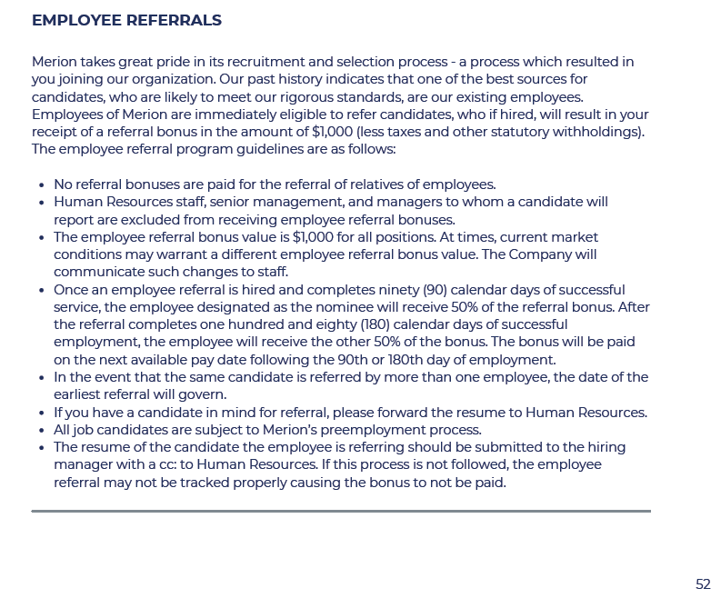
 | Employee Referral Policy from the Employee Handbook.

 | Link to Handbook on Jostle:

 | https://login-prod.jostle.us/login.html
 | Go to the Jostle Library > HR.
 | See "Employee Referrals" in Section 7.

You can access the employee handbook document on the company intranet, Jostle, here:

